Data Aug Details
Speaker | Layer Frozen | Training Loss Graph | Training Accuracy Graph | Accuracy | % Change from Normal

F05 | Augmented_F05_D3 | 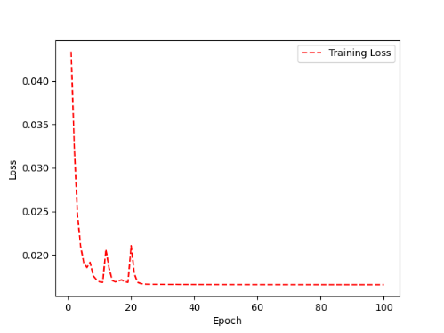 | 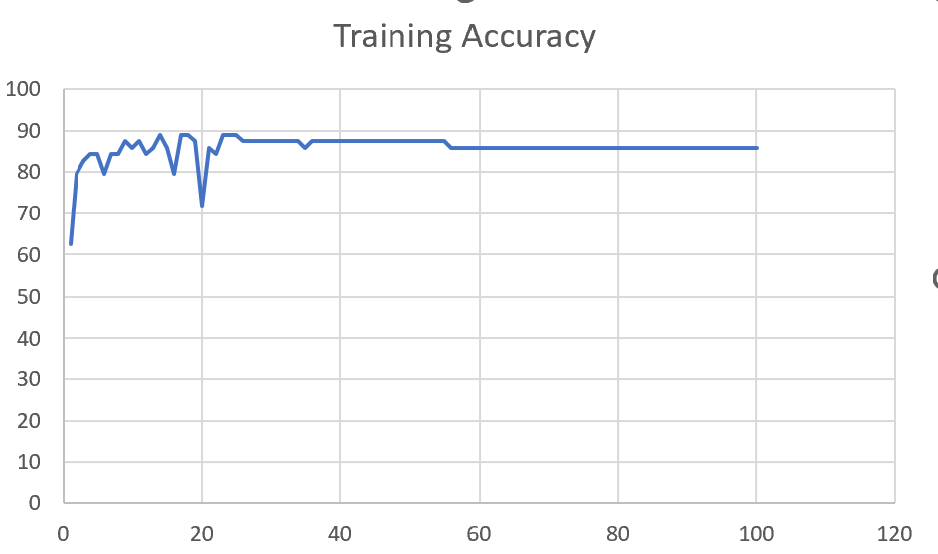 | 93 | 2

 | Augmented_F05_TE | 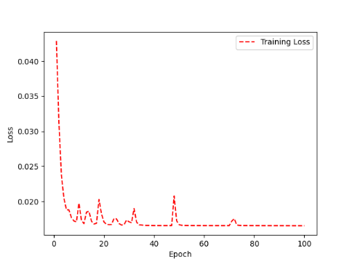 | 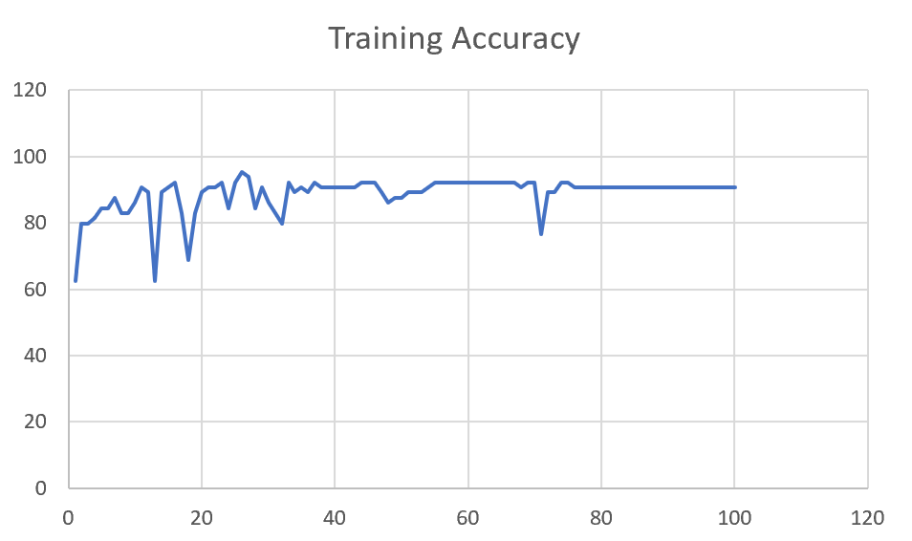 | 93 | 3

M08 | Augmented_M08_T3+D123 | 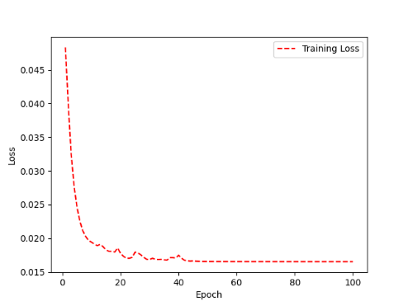 | 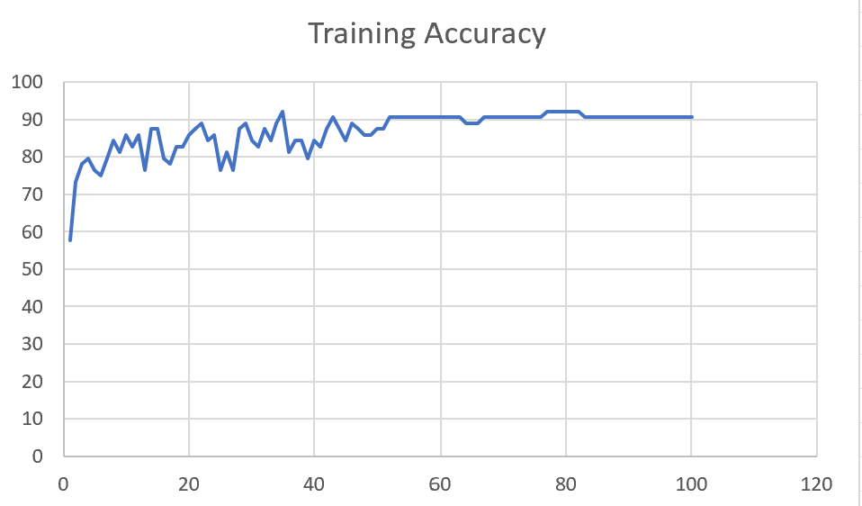 | 88 | 4

 | Augmented_M08_T3+D12 | 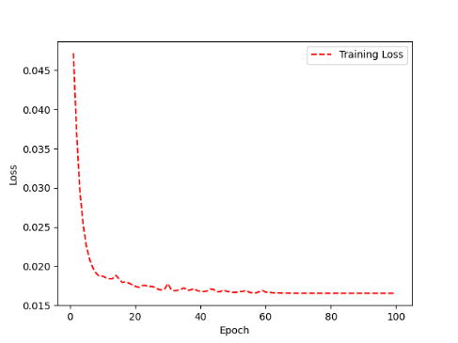 | 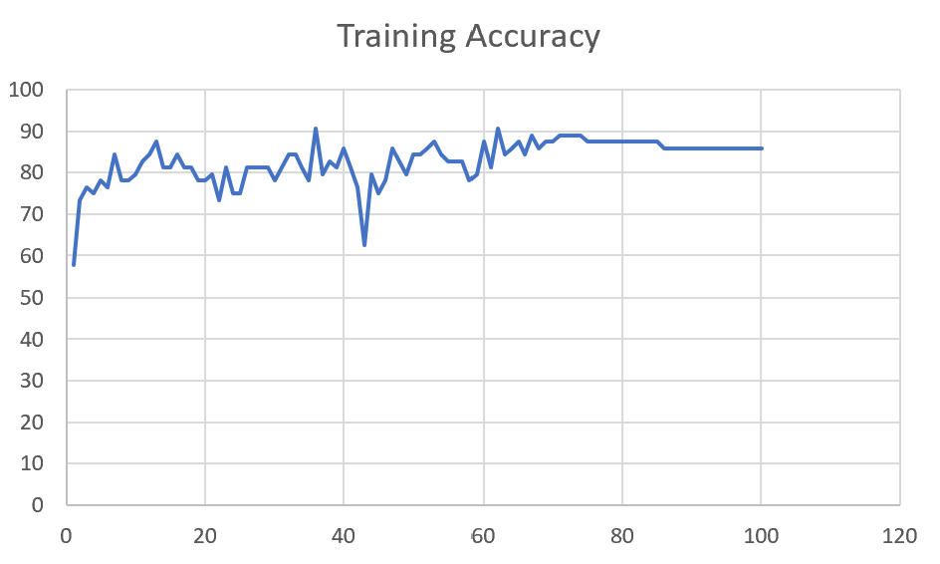 | 88 | 6

M10 | Augmented_M10_T3+D1 | 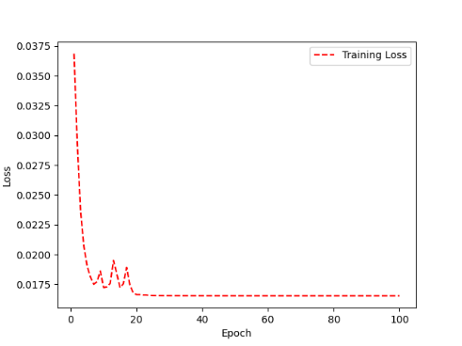 | 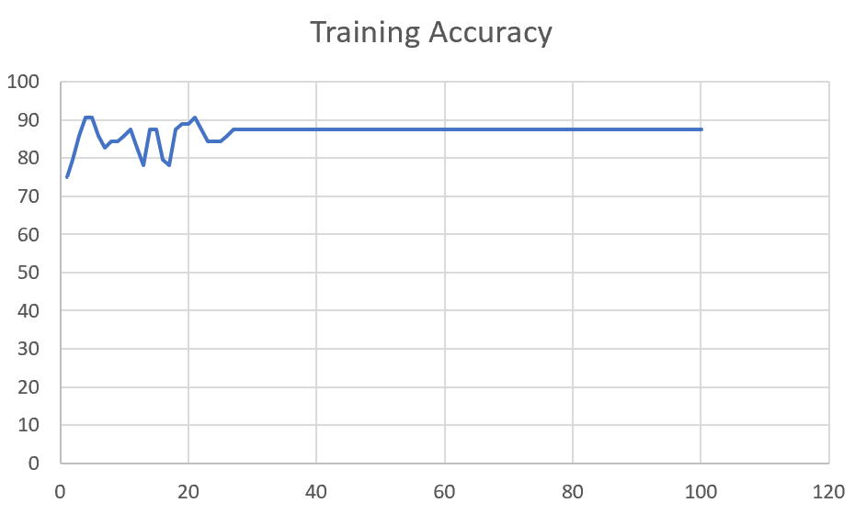 | 91 | -1

 | Augmented_M10_E1 | 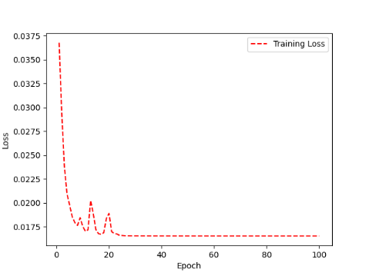 | 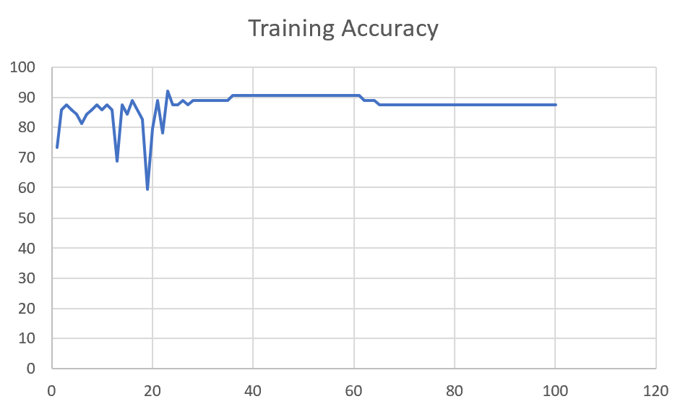 | 91 | 0

M14 | Augmented_M14_D3 | 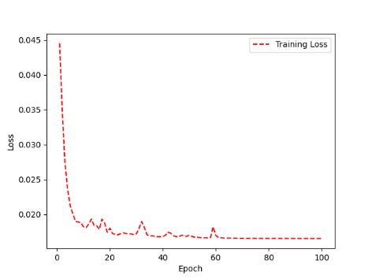 | 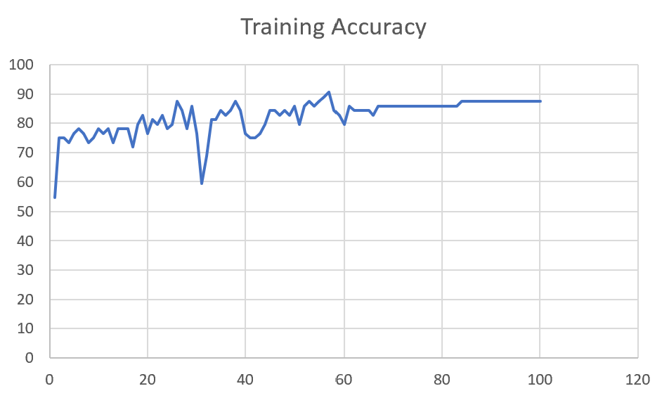 | 84

 | Augmented_M14_T3+D1 | 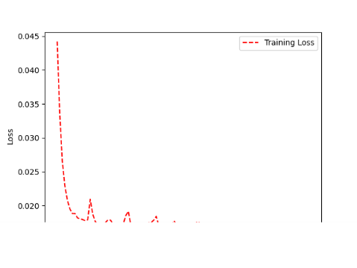 | 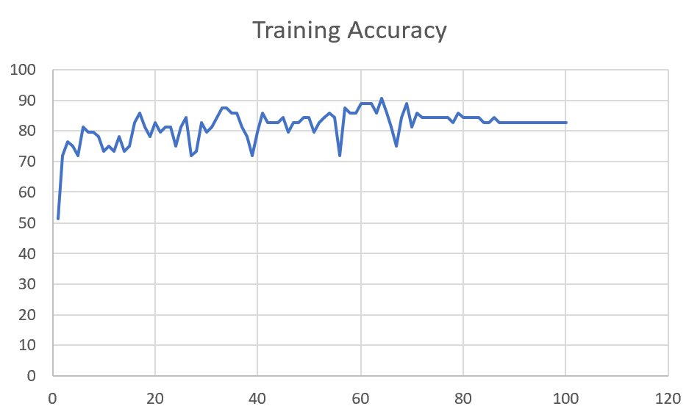 | 85

M09 | Augmented_M09_D3 | 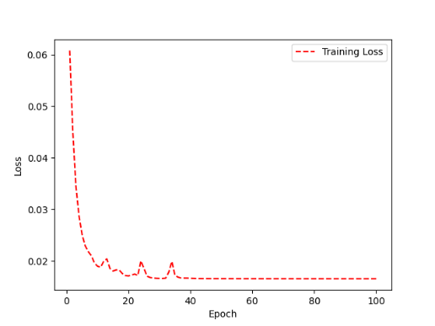 | 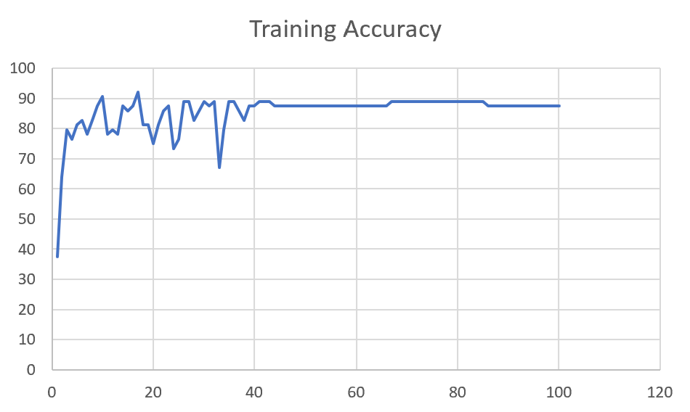 | 84

 | Augmented_M09_TE | 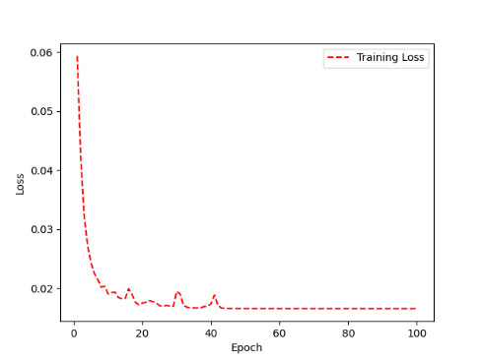 | 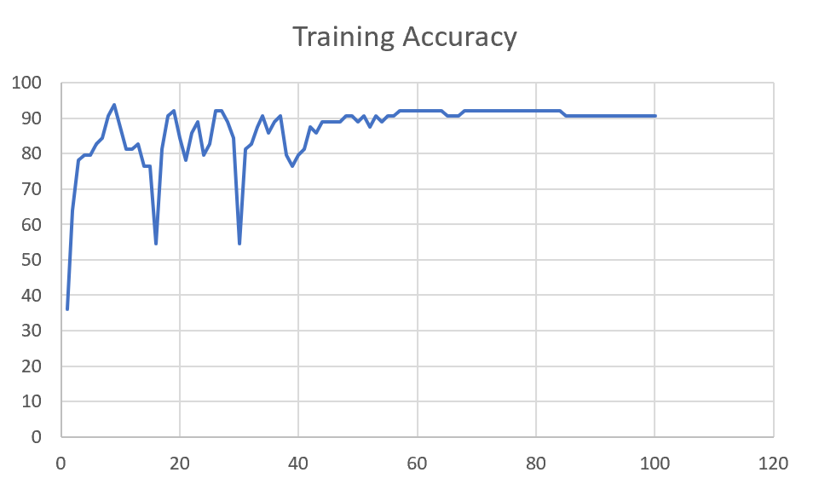 | 82

F04 | Augmented_F04_TE | 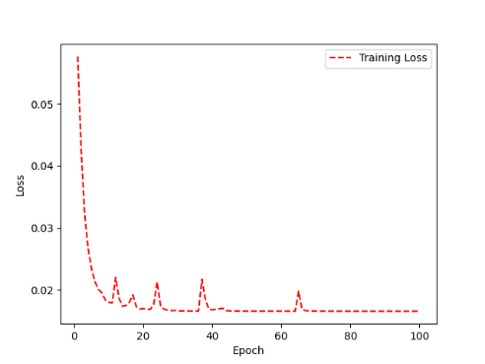 | 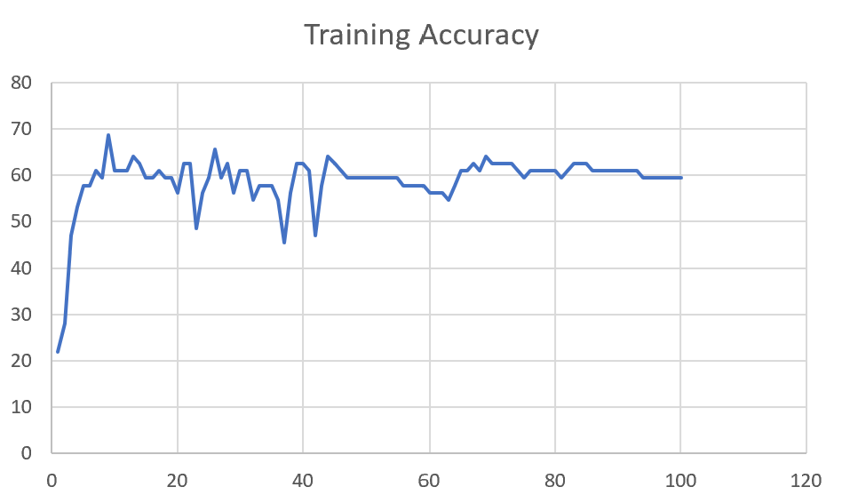 | 69

 | Augmented_F04_TE+D1 | 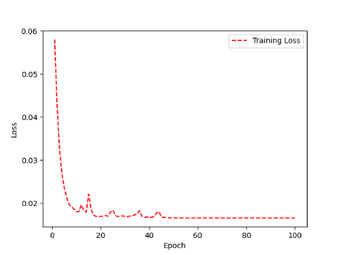 | 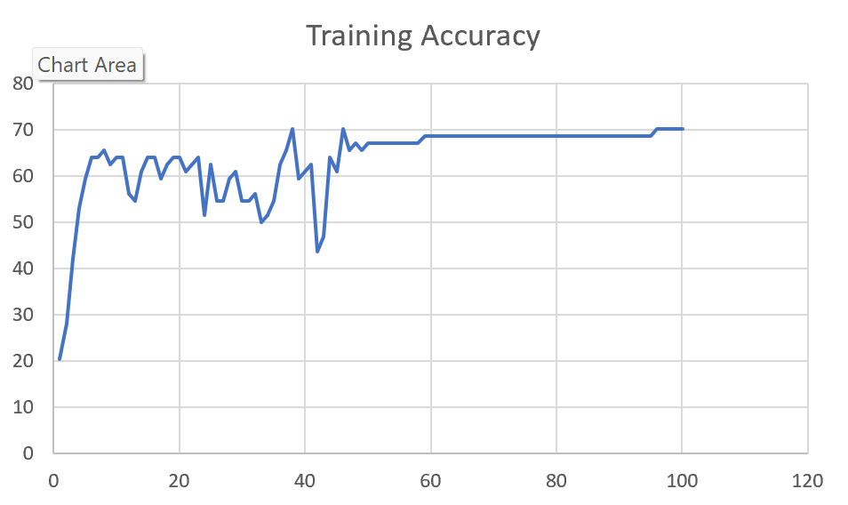 | 72

M11 | Augmented_M11_TE | 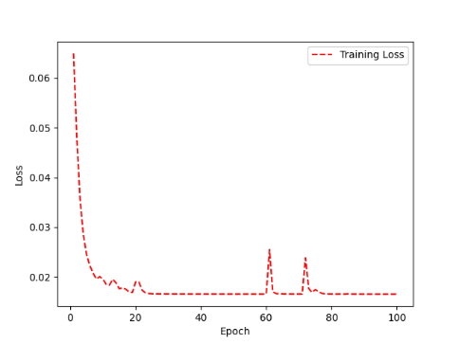 | 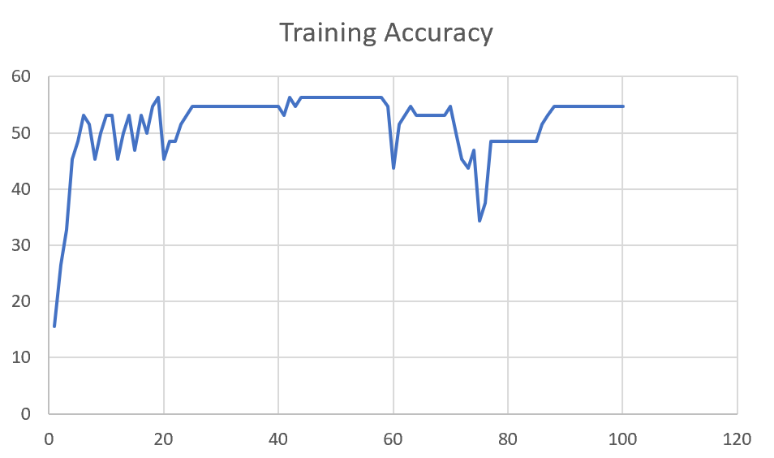 | 55

 | Augmented_M11_D3 | 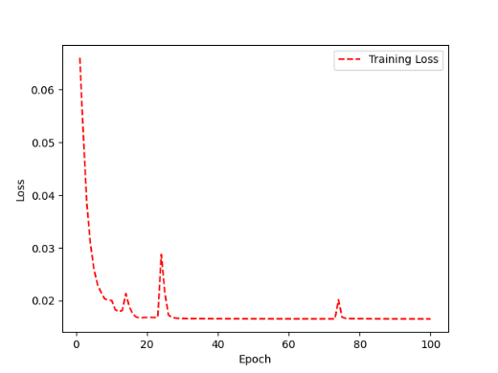 | 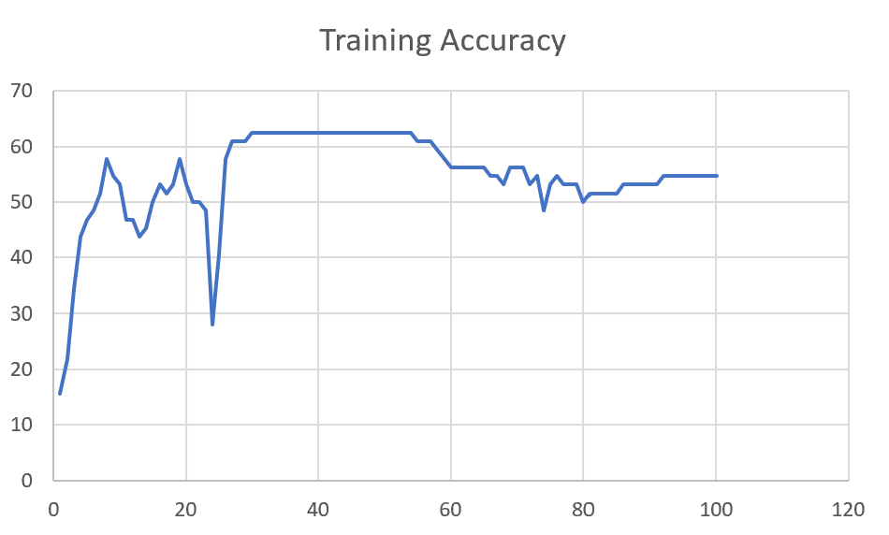 | 58

M05 | Augmented_M05_D3 | 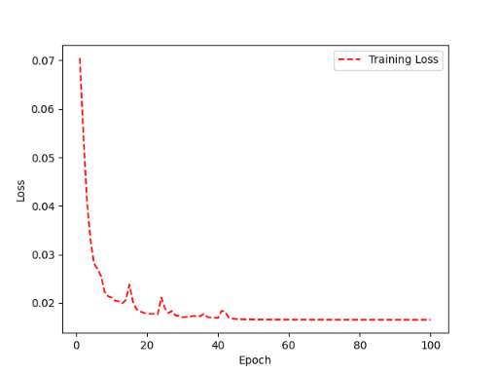 | 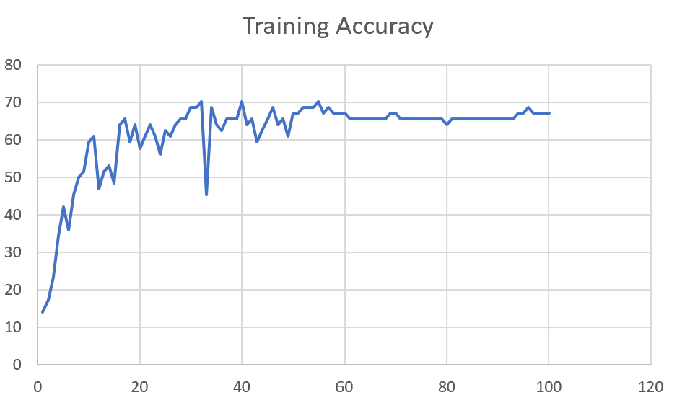 | 66

 | Augmented_M05_TE+D1

M16 | Augmented_M16_D3 | 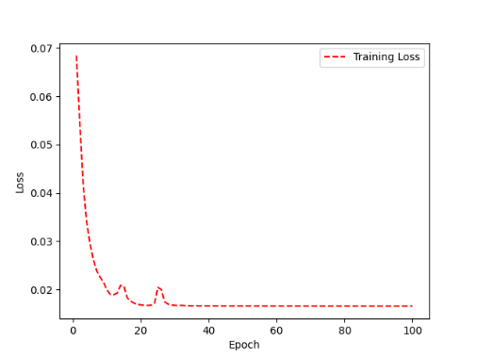 | 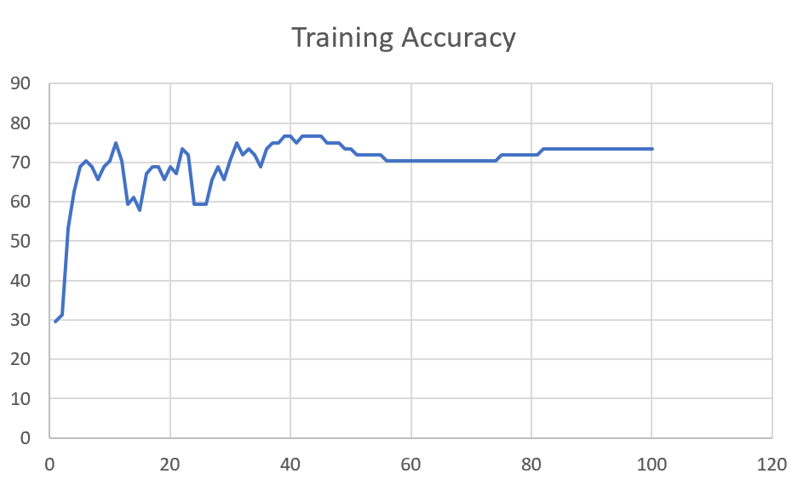 | 70

 | Augmented_M16_TE+D1

F02 | Augmented_F02_TE | 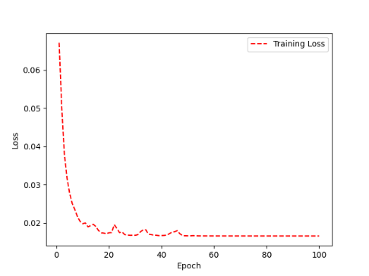 | 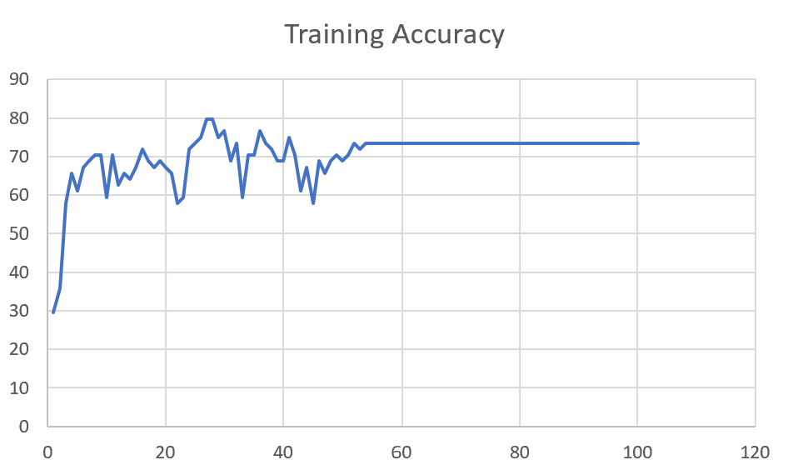 | 74

 | Augmented_M05_TE+D1

M07 | Augmented_M07_D3

 | Augmented_M07_TE+D12

M01 | Augmented_M05_D3

 | Augmented_M05_TE+D1

M12 | Augmented_M12_TE+D1

 | Augmented_M12_D3

F03 | Augmented_F03_TE+D1

 | Augmented_F03_TE

M04 | Augmented_M04_TE

 | Augmented_M04_E1

Sheet1
 |  |  | Training Accuracy
0 | 0.703125 | 1 | 29.6875
1 | 0.640625 | 2 | 35.9375
2 | 0.421875 | 3 | 57.8125
3 | 0.34375 | 4 | 65.625
4 | 0.390625 | 5 | 60.9375
5 | 0.328125 | 6 | 67.1875
6 | 0.3125 | 7 | 68.75
7 | 0.296875 | 8 | 70.3125
8 | 0.296875 | 9 | 70.3125
9 | 0.40625 | 10 | 59.375
10 | 0.296875 | 11 | 70.3125
11 | 0.375 | 12 | 62.5
12 | 0.34375 | 13 | 65.625
13 | 0.359375 | 14 | 64.0625
14 | 0.328125 | 15 | 67.1875
15 | 0.28125 | 16 | 71.875
16 | 0.3125 | 17 | 68.75
17 | 0.328125 | 18 | 67.1875
18 | 0.3125 | 19 | 68.75
19 | 0.328125 | 20 | 67.1875
20 | 0.34375 | 21 | 65.625
21 | 0.421875 | 22 | 57.8125
22 | 0.40625 | 23 | 59.375
23 | 0.28125 | 24 | 71.875
24 | 0.265625 | 25 | 73.4375
25 | 0.25 | 26 | 75
26 | 0.203125 | 27 | 79.6875
27 | 0.203125 | 28 | 79.6875
28 | 0.25 | 29 | 75
29 | 0.234375 | 30 | 76.5625
30 | 0.3125 | 31 | 68.75
31 | 0.265625 | 32 | 73.4375
32 | 0.40625 | 33 | 59.375
33 | 0.296875 | 34 | 70.3125
34 | 0.296875 | 35 | 70.3125
35 | 0.234375 | 36 | 76.5625
36 | 0.265625 | 37 | 73.4375
37 | 0.28125 | 38 | 71.875
38 | 0.3125 | 39 | 68.75
39 | 0.3125 | 40 | 68.75
40 | 0.25 | 41 | 75
41 | 0.296875 | 42 | 70.3125
42 | 0.390625 | 43 | 60.9375
43 | 0.328125 | 44 | 67.1875
44 | 0.421875 | 45 | 57.8125
45 | 0.3125 | 46 | 68.75
46 | 0.34375 | 47 | 65.625
47 | 0.3125 | 48 | 68.75
48 | 0.296875 | 49 | 70.3125
49 | 0.3125 | 50 | 68.75
50 | 0.296875 | 51 | 70.3125
51 | 0.265625 | 52 | 73.4375
52 | 0.28125 | 53 | 71.875
53 | 0.265625 | 54 | 73.4375
54 | 0.265625 | 55 | 73.4375
55 | 0.265625 | 56 | 73.4375
56 | 0.265625 | 57 | 73.4375
57 | 0.265625 | 58 | 73.4375
58 | 0.265625 | 59 | 73.4375
59 | 0.265625 | 60 | 73.4375
60 | 0.265625 | 61 | 73.4375
61 | 0.265625 | 62 | 73.4375
62 | 0.265625 | 63 | 73.4375
63 | 0.265625 | 64 | 73.4375
64 | 0.265625 | 65 | 73.4375
65 | 0.265625 | 66 | 73.4375
66 | 0.265625 | 67 | 73.4375
67 | 0.265625 | 68 | 73.4375
68 | 0.265625 | 69 | 73.4375
69 | 0.265625 | 70 | 73.4375
70 | 0.265625 | 71 | 73.4375
71 | 0.265625 | 72 | 73.4375
72 | 0.265625 | 73 | 73.4375
73 | 0.265625 | 74 | 73.4375
74 | 0.265625 | 75 | 73.4375
75 | 0.265625 | 76 | 73.4375
76 | 0.265625 | 77 | 73.4375
77 | 0.265625 | 78 | 73.4375
78 | 0.265625 | 79 | 73.4375
79 | 0.265625 | 80 | 73.4375
80 | 0.265625 | 81 | 73.4375
81 | 0.265625 | 82 | 73.4375
82 | 0.265625 | 83 | 73.4375
83 | 0.265625 | 84 | 73.4375
84 | 0.265625 | 85 | 73.4375
85 | 0.265625 | 86 | 73.4375
86 | 0.265625 | 87 | 73.4375
87 | 0.265625 | 88 | 73.4375
88 | 0.265625 | 89 | 73.4375
89 | 0.265625 | 90 | 73.4375
90 | 0.265625 | 91 | 73.4375
91 | 0.265625 | 92 | 73.4375
92 | 0.265625 | 93 | 73.4375
93 | 0.265625 | 94 | 73.4375
94 | 0.265625 | 95 | 73.4375
95 | 0.265625 | 96 | 73.4375
96 | 0.265625 | 97 | 73.4375
97 | 0.265625 | 98 | 73.4375
98 | 0.265625 | 99 | 73.4375
99 | 0.265625 | 100 | 73.4375
<__main__.DisplayOutputs object at 0x7f1e3001da60> | 0.265625 | #VALUE! | 73.4375
<__main__.DisplayOutputs object at 0x7f1e3001da60> | 0.234375 | #VALUE! | 76.5625
<__main__.DisplayOutputs object at 0x7f1e3001da60> | 0.28125 | #VALUE! | 71.875
<__main__.DisplayOutputs object at 0x7f1e3001da60> | 0.3125 | #VALUE! | 68.75
<__main__.DisplayOutputs object at 0x7f1e3001da60> | 0.203125 | #VALUE! | 79.6875
<__main__.DisplayOutputs object at 0x7f1e3001da60> | 0.328125 | #VALUE! | 67.1875
<__main__.DisplayOutputs object at 0x7f1e3001da60> | 0.265625 | #VALUE! | 73.4375
<__main__.DisplayOutputs object at 0x7f1e3001da60> | 0.171875 | #VALUE! | 82.8125
<__main__.DisplayOutputs object at 0x7f1e3001da60> | 0.28125 | #VALUE! | 71.875
<__main__.DisplayOutputs object at 0x7f1e3001da60> | 0.234375 | #VALUE! | 76.5625
<__main__.DisplayOutputs object at 0x7f1e3001da60> | 0.296875 | #VALUE! | 70.3125
<__main__.DisplayOutputs object at 0x7f1e3001da60> | 0.28125 | #VALUE! | 71.875
<__main__.DisplayOutputs object at 0x7f1e3001da60> | 0.328125 | #VALUE! | 67.1875
<__main__.DisplayOutputs object at 0x7f1e3001da60> | 0.13636363636 | #VALUE! | 86.363636364
 |  | 1 | 100
 |  | 1 | 100
 |  | 1 | 100
<__main__.DisplayOutputs object at 0x7fcfe04bb910> | 0.640625
<__main__.DisplayOutputs object at 0x7fcfe04bb910> | 0.50819672131

